TC001_LND_Order3
1] data structure validation

TC001_LND_Order3 data structure validation

 | Source | Target

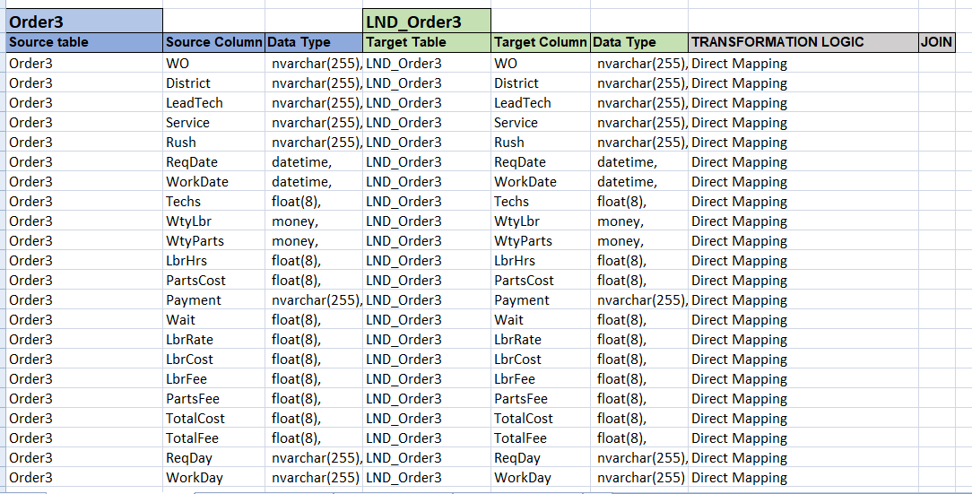
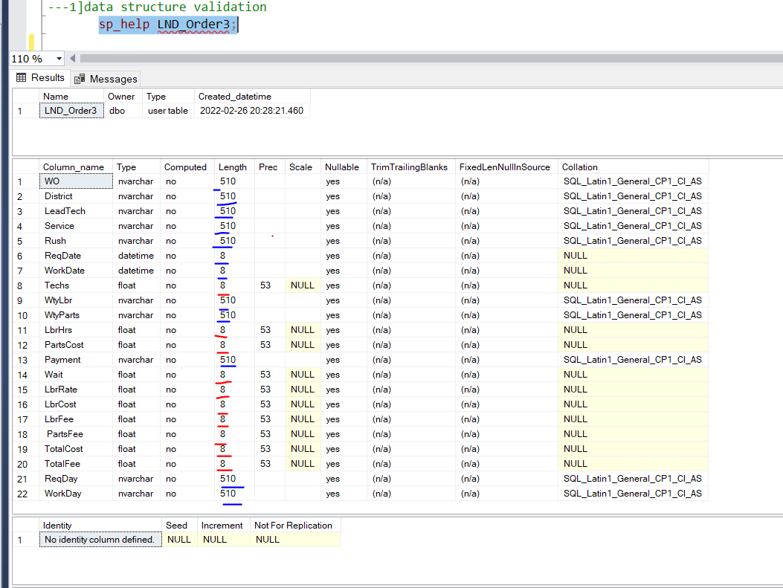

 | Obseravation::source and Target structure missmatched .see again in blue color in Target table

TC002_LND_Order3
2]count validation

Tc002_data count validation

 | Source
 |  |  |  |  |  |  |  |  |  |  |  |  |  |  |  |  |  |  |  |  |  |  | Target
WO | District | LeadTech | Service | Rush | ReqDate | WorkDate | Techs | WtyLbr | WtyParts | LbrHrs | PartsCost | Payment | Wait | LbrRate | LbrCost | LbrFee | PartsFee | TotalCost | TotalFee | ReqDay | WorkDay | count source table
A00140 | Northwest | Michner | Replace | NULL | 2020-09-15 00:00:00 | 2020-10-07 00:00:00 | 2 | NULL | NULL | 0.5 | 42.66 | Account | 22 | 140 | 70 | 70 | 42.66 | 112.66 | 112.66 | Tue | Wed | 20
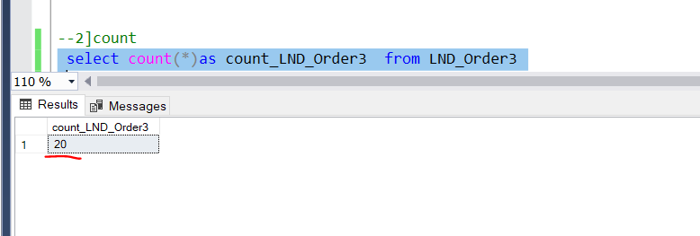
A00141 | West | Khan | Replace | NULL | 2020-09-16 00:00:00 | 2020-09-28 00:00:00 | 1 | NULL | NULL | 1 | 5.472 | C.O.D. | 12 | 80 | 80 | 80 | 5.472 | 85.472 | 85.472 | Wed | Mon
A00142 | Northwest | Khan | Assess | Yes | 2020-09-16 00:00:00 | 2020-09-28 00:00:00 | 1 | NULL | NULL | 0.25 | 45.2374 | Account | 12 | 80 | 20 | 20 | 45.2374 | 65.2374 | 65.2374 | Wed | Mon
A00143 | Northwest | Burton | Assess | NULL | 2020-09-16 00:00:00 | 2020-10-01 00:00:00 | 2 | NULL | NULL | 0.75 | 199.452 | C.O.D. | 15 | 140 | 105 | 105 | 199.452 | 304.452 | 304.452 | Wed | Thu | count target table
A00144 | Southeast | Burton | Assess | NULL | 2020-09-16 00:00:00 | 2020-10-05 00:00:00 | 2 | NULL | NULL | 0.5 | 144 | C.O.D. | 19 | 140 | 70 | 70 | 144 | 214 | 214 | Wed | Mon
A00145 | Southeast | Burton | Deliver | NULL | 2020-09-17 00:00:00 | 2020-10-06 00:00:00 | 1 | NULL | NULL | 0.25 | 6.216 | C.O.D. | 19 | 80 | 20 | 20 | 6.216 | 26.216 | 26.216 | Thu | Tue
A00146 | Northwest | Michner | Replace | NULL | 2020-09-17 00:00:00 | 2020-10-12 00:00:00 | 2 | NULL | NULL | 1 | 36 | Account | 25 | 140 | 140 | 140 | 36 | 176 | 176 | Thu | Mon
A00147 | Central | Cartier | Assess | NULL | 2020-09-17 00:00:00 | 2020-10-12 00:00:00 | 2 | NULL | NULL | 0.75 | 40 | C.O.D. | 25 | 140 | 105 | 105 | 40 | 145 | 145 | Thu | Mon
A00148 | South | Lopez | Assess | NULL | 2020-09-17 00:00:00 | 2020-11-17 00:00:00 | 1 | NULL | NULL | 0.25 | 87.5813 | Account | 61 | 80 | 20 | 20 | 87.5813 | 107.5813 | 107.5813 | Thu | Tue
A00149 | West | Khan | Replace | NULL | 2020-09-21 00:00:00 | 2020-09-28 00:00:00 | 1 | NULL | NULL | 0.5 | 30 | C.O.D. | 7 | 80 | 40 | 40 | 30 | 70 | 70 | Mon | Mon
A00150 | Southeast | Michner | Deliver | NULL | 2020-09-21 00:00:00 | 2020-10-19 00:00:00 | 1 | NULL | NULL | 0.25 | 144 | P.O. | 28 | 80 | 20 | 20 | 144 | 164 | 164 | Mon | Mon
A00151 | West | Khan | Replace | Yes | 2020-09-21 00:00:00 | 2020-11-04 00:00:00 | 1 | NULL | NULL | 0.75 | 297.5123 | Account | 44 | 80 | 60 | 60 | 297.5123 | 357.5123 | 357.5123 | Mon | Wed
A00152 | West | Michner | Assess | NULL | 2020-09-21 00:00:00 | 2020-11-25 00:00:00 | 1 | NULL | NULL | 0.5 | 64.171 | P.O. | 65 | 80 | 40 | 40 | 64.171 | 104.171 | 104.171 | Mon | Wed
A00153 | South | Lopez | Deliver | NULL | 2020-09-22 00:00:00 | 2020-10-01 00:00:00 | 1 | NULL | NULL | 0.25 | 20.475 | Account | 9 | 80 | 20 | 20 | 20.475 | 40.475 | 40.475 | Tue | Thu
A00154 | West | Khan | Repair | NULL | 2020-09-23 00:00:00 | 2020-10-07 00:00:00 | 1 | NULL | NULL | 1 | 200 | C.O.D. | 14 | 80 | 80 | 80 | 200 | 280 | 280 | Wed | Wed
A00155 | Southeast | Burton | Repair | NULL | 2020-09-23 00:00:00 | 2020-10-15 00:00:00 | 1 | NULL | NULL | 1.5 | 123.9555 | C.O.D. | 22 | 80 | 120 | 120 | 123.9555 | 243.9555 | 243.9555 | Wed | Thu
A00156 | Central | Cartier | Replace | NULL | 2020-09-23 00:00:00 | 2020-10-24 00:00:00 | 1 | NULL | NULL | 0.5 | 193.8831 | Account | 31 | 80 | 40 | 40 | 193.8831 | 233.8831 | 233.8831 | Wed | Sat
A00157 | Southeast | Khan | Assess | NULL | 2020-09-23 00:00:00 | 2020-10-28 00:00:00 | 2 | NULL | NULL | 0.5 | 1.173 | C.O.D. | 35 | 140 | 70 | 70 | 1.173 | 71.173 | 71.173 | Wed | Wed
A00158 | Central | Michner | Assess | NULL | 2020-09-24 00:00:00 | 2020-10-05 00:00:00 | 2 | NULL | NULL | 0.75 | 664.7888 | Account | 11 | 140 | 105 | 105 | 664.7888 | 769.7888 | 769.7888 | Thu | Mon
A00159 | Northwest | Khan | Deliver | NULL | 2020-09-24 00:00:00 | 2020-10-15 00:00:00 | 1 | NULL | NULL | 0.25 | 160 | Account | 21 | 80 | 20 | 20 | 160 | 180 | 180 | Thu | Thu

 |  |  |  | Observation::source and target count exactly same

TC003_LND_Order3
3] Duplicate validation

TC003_LND_Order3 dupalicate validation

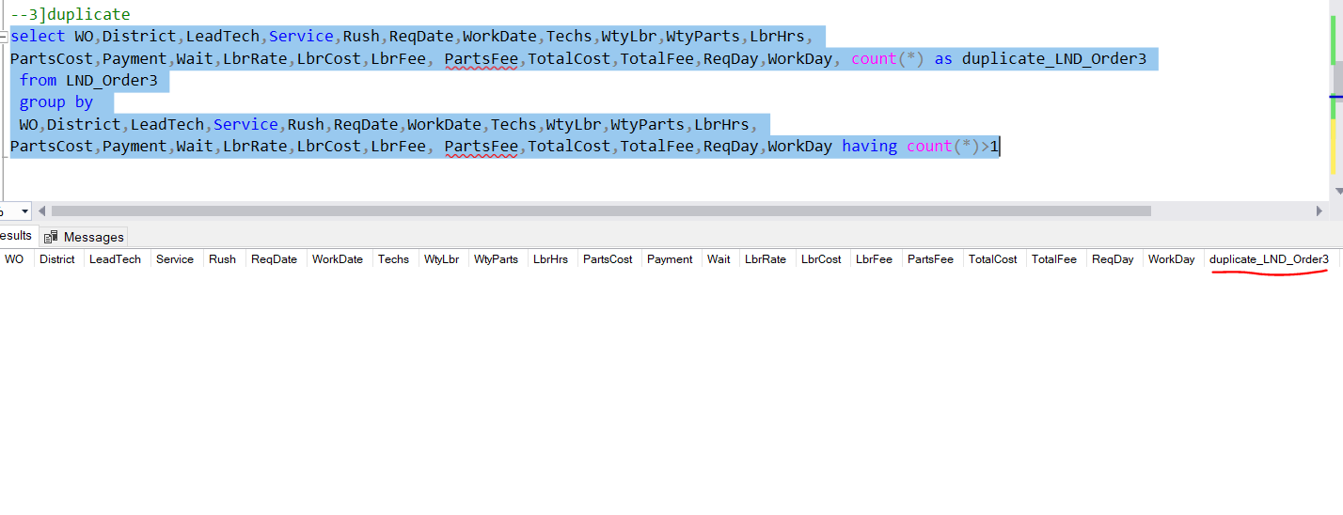

 | Observation :: no duplicate record found

